Cover Sheet
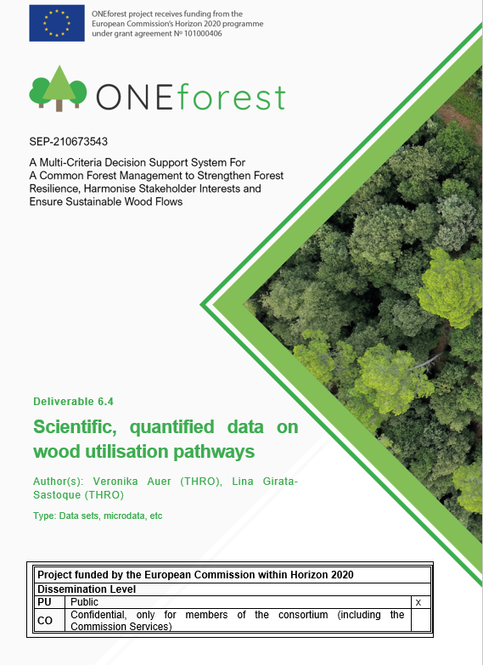

Disclaimer
This document reflects only the authors’ view and not those of the European Community. This work may rely on data from sources external to the members of the ONEforest project consortium. Members of the Consortium do not accept liability for loss or damage suffered by any third party because of errors or inaccuracies in such data. The information in this document is provided “as is” and no guarantee or warranty is given that the information is fit for any particular purpose. The user thereof uses the information at its sole risk and neither the European Community nor any member of the ONEforest Consortium is liable for any use that may be made of the information.

Wood_industry_maps_CSR4
